Addressing schema
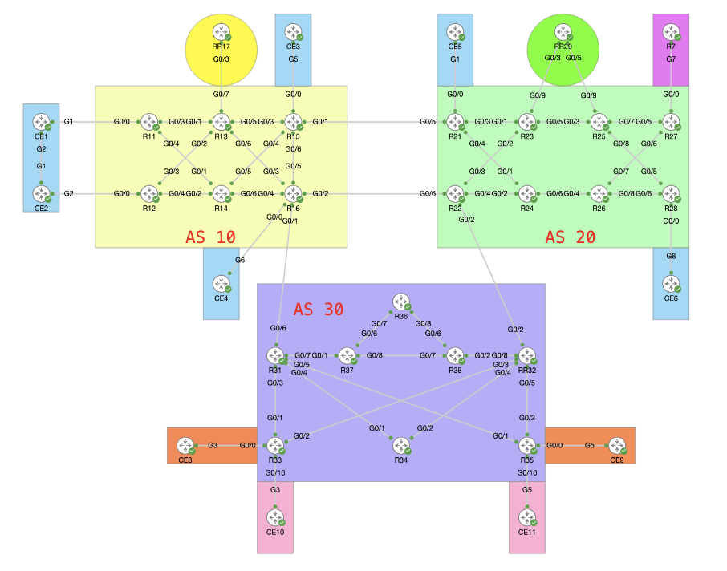
Lo1 11.11.11.1/32 & 11:11:1::1/128
Lo2 11.11.11.2/32 & 11:11:1::2/128
Lo3 11.11.11.3/32 & 11:11:1::3/128

12.15.21.0/24
20.23.25.0/24
20:23:25::R/64

12.16.22.0/24

13.16.31.0/24
23.22.32.0/24

Addressing schema
P2P: AS.R1.R2.R/24 & AS:R1:R2::R/64
Lo: R.R.R.L/32 & R:R:R::Lo/128
Inter-AS: 1st#AS1AS2.R1.R2.R/24

AS 10
CORE ROUTING (IGP)

ISIS | As a network engineer you have been assigned to configure IS-IS as the IGP inside AS 10 with the following requirements: | 1.1 Area ID should be 49.0001, System ID should be 0000.0000.00XX.00 (X being the Router’s ID) | router isis 10 !TASK 1.2 is-type level-2-only !TASK 1.1 net 49.0001.0000.0000.0011.00 address-family ipv4 unicast !TASK 1.9 metric-style wide !TASK 1.10 advertise passive-only ! address-family ipv6 unicast !TASK 1.9 metric-style wide !TASK 1.10 advertise passive-only !TASK 1.3 single-topology ! interface Loopback1 !TASK 1.4 passive address-family ipv4 unicast ! address-family ipv6 unicast ! ! interface GigabitEthernet0/0/0/4 !TASK 1.6 point-to-point !TASK 1.5 hello-padding disable !TASK 1.7 hello-password hmac-md5 encrypted 0110050D5E address-family ipv4 unicast !TASK 1.9 metric 10000 ! address-family ipv6 unicast !TASK 1.9 metric 10000 | FOR IOS XE: show isis neighbors show isis database [verbose] show isis interface <INT_ID> [brief] show isis interface | i "Loopback|Gig|Metric" show clns protocol show clns traffic show ip route isis | https://www.cisco.com/c/en/us/support/docs/ios-nx-os-software/ios-xr-software/IOS-XR-Best-Practices/IOSXR-Deployment-BestPractices.html#_Toc152750767
ISIS |  | 1.2 We should have as fewer databases as possible |  | FOR IOS XR: show isis neighbors show isis database [verbose] show isis interface <INT_ID> [brief] show isis interface | i "Loopback|Gig|Metric" show isis statistics show protocols isis show route isis
ISIS |  | 1.3 Ensure IPv6 traffic path is the same as IPv4 traffic path. |  | logging console notifications logging monitor notifications XE: debug isis adj-packets debug isis update-packets XR: debug isis adjacencies debug isis update-packets
ISIS |  | 1.4 Routers must not sent any hellos on logical interfaces
ISIS |  | 1.5 Adjacency establishment should be optimized from a BW perspective
ISIS |  | 1.6 There shouldn’t be any DIS elections on any of the links
ISIS |  | 1.7 Ensure all routers within the AS authenticate each other adjacency requests using a secure method and password as "ccie"
ISIS |  | 1.8 Ensure all traffic uses horizontal links as the first preference and transversal links as secondary
ISIS |  | 1.9 Any metric change made for path manipulation must be set to 10000
ISIS |  | 1.10 Propagate only host routes

TASK 1
+++ From R11:
interface tunnel-te1
ipv4 unnumbered Loopback1
autoroute announce
!
destination 14.14.14.1
path-option 1 dynamic
!
+++ R14:
interface tunnel-te1
ipv4 unnumbered Loopback1
autoroute announce
!
destination 11.11.11.1
path-option 1 explicit name R16_TO_R11
!
explicit-path name R16_TO_R11
index 10 next-address strict ipv4 unicast 16.16.16.1
index 20 next-address strict ipv4 unicast 15.15.15.1
index 30 next-address strict ipv4 unicast 13.13.13.1
index 40 next-address strict ipv4 unicast 11.11.11.1
!
TASK2: ??
----
Router 15:
RP/0/0/CPU0:R15#show run int tt15112
Thu Nov 14 03:49:58.891 UTC
interface tunnel-te15112
ipv4 unnumbered Loopback1
autoroute announce
!
destination 12.12.12.1
path-option 1 explicit name TE_15_2_12
!
RP/0/0/CPU0:R15#show run explicit-path name TE_15_2_12
Thu Nov 14 03:50:22.310 UTC
explicit-path name TE_15_2_12
index 1 next-address strict ipv4 unicast 14.14.14.1
index 2 next-address strict ipv4 unicast 12.12.12.1
!
TASK3:
---
***In XR:
ipv4 unnumbered mpls traffic-eng Loopback1
!
ipv4 access-list 10
permit <loopbacks
!
mpls traffic-eng auto-tunnel mesh
group 10
attribute-set 10
destination-list 10
!
tunnel-id min 11000 max 11999
!
attribute-set auto-mesh 10
autoroute announce
auto-bw collect-bw-only
*** In XE:
mpls traffic-eng auto-tunnel mesh
!
ip access-list standard 10
permit <loopback's address>
!
mpls traffic-eng auto-tunnel mesh tunnel-num min 12000 max 12999
!
interface auto-template 1
ip unnumbered loopback 1
tunnel mode mpls traffic-eng
tunnel destination access-list 10
tunnel mpls traffic-eng autoroute announce
tunnerl mpls traffic-eng path-option 1 dynamic
MPLS (TE)
Topic | Sentence | Tasks | Solutions | T-shoot Commands/Debugs | Guides
MPLE TE | As a network engineer you have been assigned to configure MPLS TE inside AS 10 with the following requirements: | 1. Create an MPLS TE tunnel between R11 to R14 |  | XR | XE: https://www.cisco.com/c/en/us/td/docs/ios_xr_sw/iosxr_r3-7/mpls/configuration/guide/gc37te.html#wp1108289
 |  | 1.1 The path from headend to tailend should be dinamic |  | show isis mpls traffic-eng tunnel | XR: https://www.cisco.com/c/en/us/td/docs/ios_xr_sw/iosxr_r3-7/mpls/configuration/guide/gc37te.html#wp1108289
 |  | 1.2 The return of the tunnel from tailend to headend should go from R14-R16-R15-R13-R11 |  | show
 |  | 1.3 All the traffic to R11 from R14 must be injected automatically
 |  | 1.4 All the return traffic from R14 to R11 must be injected manually

 |  | 2. Create 2 tunnels between R15 and R12 where R15 is the headend and 12 the tailend
 |  | 2.1 The path must exists only through R15-R14-R12 without specifying manually the path |  | XE
 |  | 2.2 Limit the path to 80% of the maximum available BW |  | show mpls traffic-eng auto-tunnel mesh
 |  | 2.3 Each tunnel must require 400 Mb
 |  | 2.4 Create a third tunnel with priority of 6

 |  | 3. Create automatic tunnels ---> Martin
 |  | 4. Backup tunnels ---> to be defined

